Problem Statement

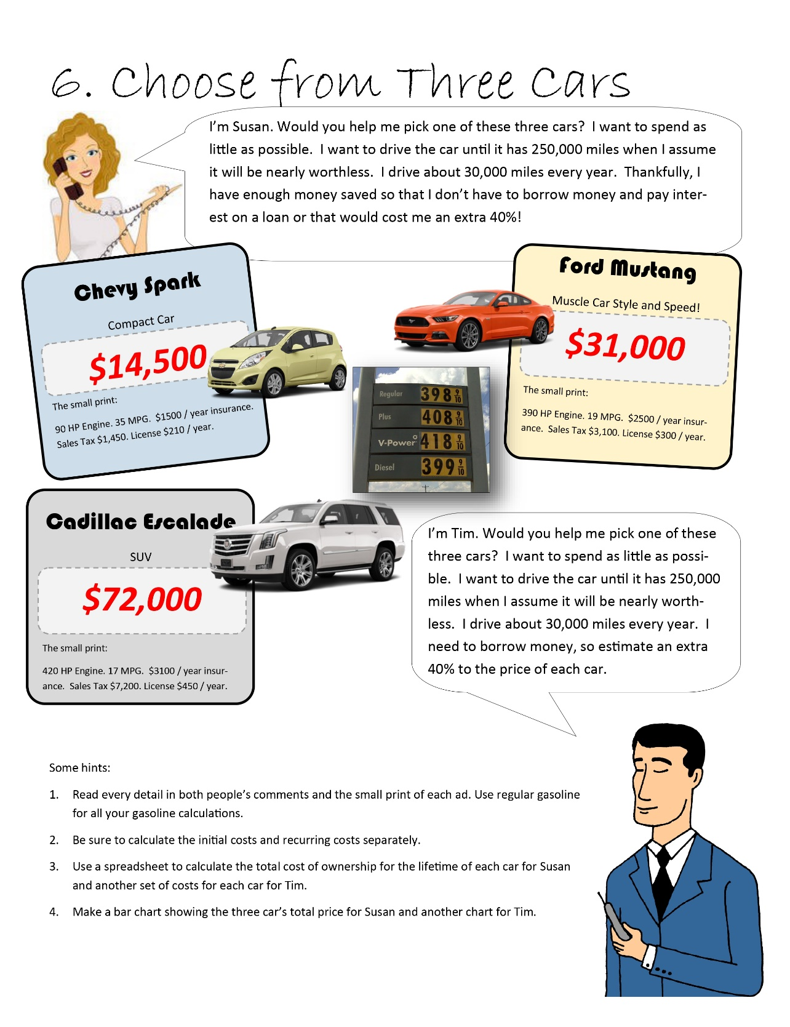

Three Cars
Susan | Spark | Mustang | Escalade | Tim | Spark | Mustang | Escalade
Initial Cost |  |  |  | Initial Cost
Price | $14,500.00 | $31,000.00 | $72,000.00 | Price | $20,300.00 | $43,400.00 | $100,800.00
Taxes | $1,450.00 | $3,100.00 | $7,200.00 | Taxes | $1,450.00 | $3,100.00 | $7,200.00

Yearly Cost |  |  |  | Yearly Cost
Insurance | $1,500.00 | $2,500.00 | $3,500.00 | Insurance | $1,500.00 | $2,500.00 | $3,500.00

Gas Cost | $3,411.43 | $6,284.21 | $7,023.53 | Gas Cost | $3,411.43 | $6,284.21 | $7,023.53
Miles | 30,000 | 30,000 | 30,000 | Miles | 30,000 | 30,000 | 30,000
MPG | 35 | 19 | 17 | MPG | 35 | 19 | 17
Price per gal | 3.98 | 3.98 | 3.98 | Price per gal | 3.98 | 3.98 | 3.98

Car Life Span | 8.3333333333 | 8.3333333333 | 8.3333333333 | Car Life Span | 8.3333333333 | 8.3333333333 | 8.3333333333

Total Annual Costs | $40,928.57 | $73,201.75 | $87,696.08 | Total Annual Costs | $40,928.57 | $73,201.75 | $87,696.08

Total Lifetime | $56,878.57 | $107,301.75 | $166,896.08 | Total Lifetime | $62,678.57 | $119,701.75 | $195,696.08

Avg Cost / Year | $6,825.43 | $12,876.21 | $20,027.53 | Avg Cost / Year | $7,521.43 | $14,364.21 | $23,483.53

Susan's avg cost per year
Tim's avg cost per year

